etl
DEPT
(file)

emp_dept

EMP
(file)

E |  | L

D
J
E

 | T

elt
 |  | insert into emp_dept
 |  | select * from t_emp,t_dept where t_emp.deptno=t_dept.deptnp
DEPT
(file)
KM
 |  |  |  |  | r

t_dept
emp_dept

EMP
(file)
t_emp

E | L

E | L |  | T | L

Sheet6
Types of Dimensions

 | Slowly changing Dimension(SCD)
 |  | A dimension in which data changes very slow

 | Fast Changing Dimension |  |  | Rapidly changing/Rapidly growing/monster
 |  | A Dimension in which changes are very fast.
 |  | example: Age in weeks,share market,commodity,exchange rates..etc

 | Conformed Dimension |  |  | shared dimension
 |  | A dimension which is shared across multiple facts tables
 |  |  |  |  |  |  | m
fac1
 |  |  | 1
Dim

fac2

 |  |  |  |  | m

 | Role Palying |  | (alias)
 |  | A single dimension refered to single fact table multiple times
 |  | (or)
 |  | A single dimension joined with another fact multiple times using alias

Dim
fac
Dim(alias)

 | student_id | name | class_teacher_id | temp_class_teacher_id
 | s1 | john | t1 | t2 |  |  |  | teachers
 |  |  |  |  |  |  | teacher_id | name
 |  |  |  |  |  |  | t1 | reema | class teacher
 |  |  |  |  |  |  | t2 | jinger

 |  |  |  |  |  |  |  | teachers(alias)
 |  |  |  |  |  |  | teacher_id | name
 |  |  |  |  |  |  | t1 | reema
 |  |  |  |  |  |  | t2 | jinger | temp

 | Mini |  | smaller or subset
 |  | A mini diemnsion is a subset of main/big diemnsion
 |  | whenever there are few columns with slowly changing and few columns with fastchaning
 |  | then we can create a separate table(mini table) to only have fastchaning columns
 |  | whenever there are few columns accessed very frequently by reporting and
 |  | few columns are accessed very rare
 |  | then we can create a separate table(mini table) to only frequently accessed columns

 | Bridge Dimension |  |  | joins to diemensions
 |  | A dimension table which joins two other dimensions which are in many to many relation

 |  | Relation
 |  |  |  |  |  |  | course
 |  | student |  |  |  | course_id | course_name
 |  | student_id | name |  |  | 1 | odi
 |  | s1 | xyz |  |  | 2 | obiee
 |  | s2 | pqr |  |  | 3 | inf

 |  |  |  | One | to | One
 |  |  |  | One | to | many
 |  |  |  | Many | to | One
 |  |  |  | Many | to | Many

 |  |  |  | student_id | course_id
 |  |  |  | s1 | 1
 |  |  |  | s1 | 2
 |  |  |  | s1 | 3
 |  |  |  | s2 | 1
 |  |  |  | s2 | 2

 |  | One |  |  |  |  |  | Many
 |  |  |  |  | 7369 | SMITH |  | 20
 | 10 | ACCOUNTING | NEW YORK |  | 7499 | ALLEN | 300 | 30
 | 20 | RESEARCH | DALLAS |  | 7521 | WARD | 500 | 30
 | 30 | SALES | CHICAGO |  | 7566 | JONES |  | 20
 | 40 | OPERATIONS | BOSTON |  | 7654 | MARTIN | 1400 | 30
 |  |  |  |  | 7698 | BLAKE |  | 30
 |  |  |  |  | 7782 | CLARK |  | 10
 |  |  |  |  | 7788 | SCOTT |  | 20
 |  |  |  |  | 7839 | KING |  | 10
 |  |  |  |  | 7844 | TURNER | 0 | 30
 |  |  |  |  | 7876 | ADAMS |  | 20
 |  |  |  |  | 7900 | JAMES |  | 30
 |  |  |  |  | 7902 | FORD |  | 20
 |  |  |  |  | 7934 | MILLER |  | 10

 | Junk Dimension |  |  | consolidated codes
 |  | A Dimension table which stores consolidation of smaller code descriptions
 |  | It also stores un known code descriptions

 |  | cust_status | A | Active
 |  | cust_status | I | Inactive
 |  | accnt_status | C | Closed
 |  | accnt_status | A | Re-Activated
 |  | accnt_status | B | Unknown

 | Audit Dimension |  | statistics
 |  | Audit Dimension stores statistical information like no of table,rows,job run time,load time,no of reports
 |  | average run time..etc

 | De-generate Dimension

 |  | A dimension column which doesn't hold any business meaning

ODI Arch-Comp
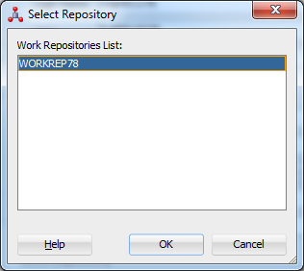
ODI Archi

 | Server Components
 | Client Components
 | Repository
 |  | Repository manages metadata
 |  | metadata is data about data
 |  | any programs,code,structures or
 |  | anything explains about data
 |  |  |  |  | ODI Client
ODI Studio
Designer
Operator
Topology
Security

 |  |  |  | supervisor

 | Reposiotory

Master

Work
(Development
/Execution)

ODI Agent
(Standalone,colocated,J2EE)
 |  |  |  |  |  | ODI 10g
 |  |  |  |  | Server |  | Integration with Fussion middleware

Oracle Enterprise Manager
 |  |  |  |  |  |  | 11g
WebLogic Server

ODI 12c Installations

 | Java latest version 1.7 or above
 | download ODI 12c 1.1.3 (latest one)
 | other old versions are ODI 12c 1.1.2

 | Oracle databse 12c or Oracle 11g R2 path 3
 |  |  | 11.2.1.3

 | software file
 |  | fmw_12.1.3.0.0_infrastructure.jar
 |  | fmw_12.1.3.0.0_odi.jar

 | cd C:\Java\jdk1.7.0_51\bin

 |  | java -jar F:\Saraswathi\softwares\CurrentVersionSoftwares\ODI\ODI12.1.3\fmw_12.1.3.0.0_infrastructure_Disk1_1of1\fmw_12.1.3.0.0_infrastructure.jar

 |  | java -jar c:\ODI\fmw_12.1.3.0.0_infrastructure.jar

 | during the installation select "Enterprise installation"

 | java -jar F:\Saraswathi\softwares\CurrentVersionSoftwares\ODI\ODI12.1.3\fmw_12.1.3.0.0_odi_Disk1_1of1\fmw_12.1.3.0.0_odi.jar

 | E:\ODI12c\Oracle\Middleware\Oracle_Home\odi\studio

create Repository

 | two ways to create repositories

 | using ODI studio.
 |  | this used to be old method before ODI12c

 | using RCU utility
 |  | Repository Configuration Utility

 | <<E:\ODI12c\Oracle\Middleware\Oracle_Home>>\oracle_common\bin
 | rcu

 | open command prompt in Admin mode
 |  | cd E:\ODI12c\Oracle\Middleware\Oracle_Home\oracle_common\bin

 | Note : set the Environment variable JAVA_HOME to java bin directory

 |  | Go to my computers
 |  |  | properties
 |  |  | Advance setting
 |  |  |  | Advance tab
 |  |  |  | Environment variables

 |  | undr system variables section
 |  | click new
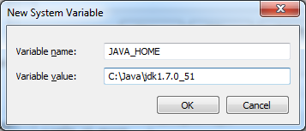

 |  | NOTE java path should be base path of java means
 |  | it is before bin directory

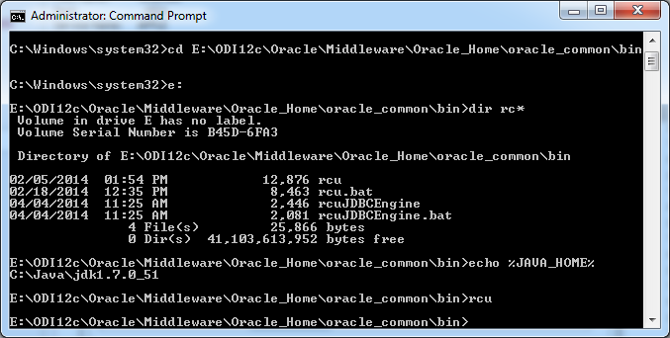
 | to verify java path
 |  | echo %JAVA_HOME%

 | now
 |  | type rcu

 |  | click next

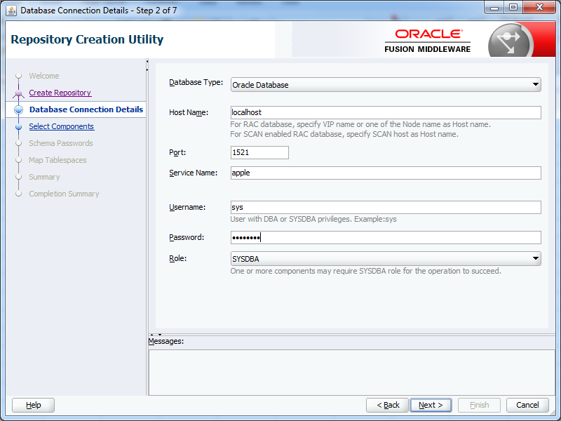
 |  | choose Create repository
 |  |  | System Load and product Load

 | click next
 | ok

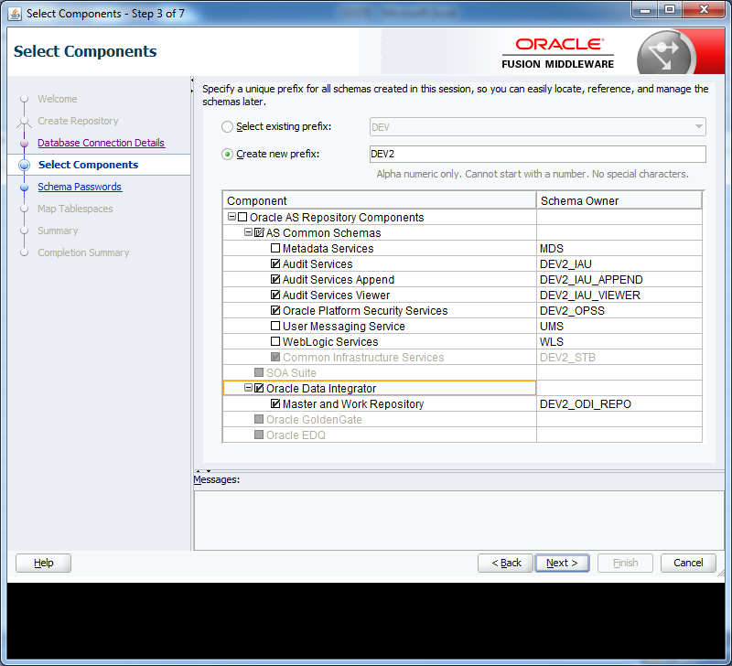
 | select prefix name
 | select Oracle DataIntegrator

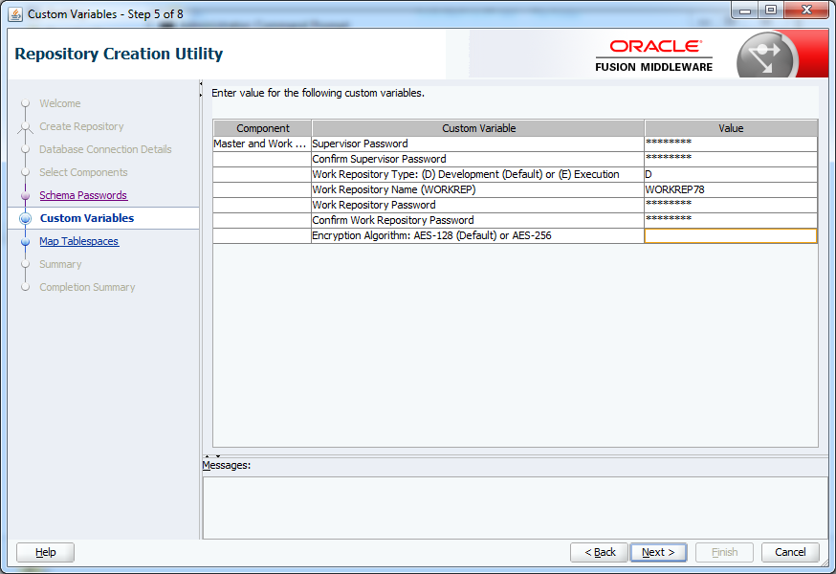
 | select "same pasword for all schema"
 | specify any password

Connecting to Repository from studio

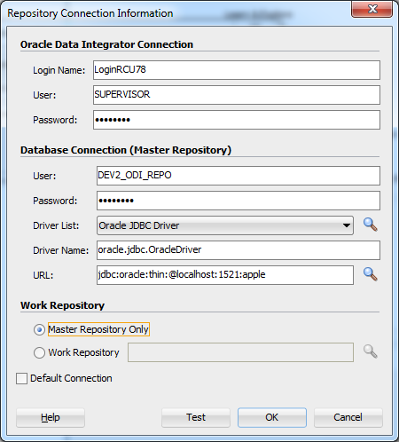
jdbc:oracle:thin:@<host>:<port>:<sid>

ODI Dev
scott
Technology
Oracle
emp
sh
emp
Read data |  |  |  | load data | Oracle Database Type
 |  |  |  |  | apple database name
EMP_SRC78 |  |  |  | EMP_T78

DataServer
(databasename
user/pwd
dept
Oracle |  |  |  | Oracle |  | system
localhost |  |  |  | localhost
scott |  |  |  | scott |  | schema
 |  |  |  |  |  | table
bisample
Physical Schema
Topology
1) Configure Topology
 | configure all the database configuration from which we need to extract or load data
Physical Schema
Physical Architacture
system
Create dataServer
Context
(Global)
 | here we will provide database drivers,database name and
 | user/password to connect to daatabase

LogSchemasCOTT
Create physical Schema
 | here select the schema name from which we need to access
 | tables
 | these schemas can be used for loading table or reading

Note: any object which we create in physical architecture is called as physical object
 | in physical schema we need to choose two schema names
 | schema | this schema name is actual schema from where we need to extract /load tables
 | work schema
 |  | this schema is the palace where work table /temp tables are created.
 | for now we can use schema and workschema as same names.

Logical Architecture
 | Any object which created in Logical architecture is called as Logical object.
 | here we need to create logical schemas and map every logical schema to a physical schema
 | throgh a intermediate object called context

 | by default in ODI there will be one context exists by name Global

 | we can map one logical schema to more than one physical scheme using different context

 | example
Physical
Schema
Dataserver
Logical
Schema
Context

Physical
Logical1
Context

SCOTT
(schema)
sh

Model
 | Create a datamodel under Model and map to a Logical Schema which is created above
 | Modeling is a process of designing tables.
 |  | Reverse Engineering process
 |  |  | importing the table structure from the database to ODI
 |  | Note: when we reverse engineer tables only metadata (table structure is imported but not data)

 | We can map one model to one logical schema only.
 | in case if we need tables from different schema or database , we need to create another model and
 | map to those logical schemas

Development

 | Create a project (if project is not already present)

Create mappings

 | Mapping

Sheet10
 |  | scott

emp_src
KM
emp_tgt

14 |  |  | 0
 | insert into emp_tgt
 | select * from emp_src

 |  |  |  |  | ELT

mapping
 |  |  |  | mapping
emp_src
emp_tgt
 |  |  |  |  |  | emp_src

Sheet10 (2)
IKM
 |  | scott |  |  | Oracle database
LKM
LKM
emp
(file)
c$_emp
insert into emp_dept
select * from c$_emp,c$_dept
where c4_emp.deptno=c$_dept.deptno
emp_dept

dept
(file)
LKM
c$_dept
 |  |  | 0
CKM
errortable
e$_emp_dept
 | e

 |  |  |  |  |  | l | empno | pk
 | src |  |  | work tables
 |  |  |  | temp table | ELT
 |  |  |  | staging
ODI
mapping
emp
file
 |  |  |  | mapping
J
emp_dept
 |  |  |  |  |  | emp_src
deptfile

RKM | Reverse Engineer KM
SKM | Services KM
JKM | Journal KM

Components
Filter
 | Filter component filters the data based on given filter condition
 | we can write any valid ansi SQL where condition statement as filter
 | since ODI works like ELT , hence it supports SQL where conditions as filters

 | example
 |  | DEPTNO=10
 |  | DEPTNO=10 and SAL>0

 | Additionally we can also write sub query filters
 | example:
 |  | DEPTNO in (select distinct DEPTNO from DEPT)
 |  | SAL in (select max(sal) from EMP)

 | from ODI 12.1.3 there is a new component introduces to create a subquery filter

Sort
 | Sort component sorts the data based on the order by clause provided in condition
 | example
 |  | DEPTNO DESC,SAL ASC
 |  | DEPTNO DESC,SAL NULLS FIRST

 | ODI knowledge modules generates order by clauses in SQL statements wherever sort component
 | is used

Split | 1tb

emp_src
dept=10
emp_t10
 | int1 |  | int1
 |  |  | IKM Oracle Multi Table Insert
 |  |  | define_query=true | package

m1
m2
m3
emp_src
dept=20
emp_t20
 |  |  | int2
 |  |  | IKM Oracle Multi Table Insert
 |  |  | is_target=true

emp_src
deptnot in 10,20
emp_tothes
 |  |  | int3
 |  |  | IKM Oracle Multi Table Insert
 |  |  | execute=true

Split
 | …

Sheet17
 | lkm File to SQL

 | DROP WORK TABLE |  |  | drop table SCOTT.C$_0DEPT_FILE79
 | CREATE TABLE SCOTT.C$_0DEPT_FILE79
 | insert into SCOTT.C$_0DEPT_FILE79

 |  | E | L | T

 | LKM will extract data from source technology to ODI staging / ODI work schema/target technology
 | that is the reason , LKM is required only when source and target technologies are different

 | LKM naming convesion following below names

 | LKM | <source technology> |  |  | To | <target technology> |  | <features of technology used>

example | LKM | File |  |  | To | Oracle |  | sqlldr

 | for every RDBMS technology , we can use two types of LKM 's
 | one with specific to technology using the Advance features of that technology
 | second with SQL technology where SQL is ANSI SQL supported environment

 | SQL technology can be used for any RDBMS , however it will generates only ANSI SQL syntaxes
 | where technology specific knowledge modules like Oracle /teradata they will use advace features of that technology

LKM File to SQL

 | this will create a work table with prefix C$ and loads data from file to C$ table using jython
 | it is not recommended for large volumes
 |  | drop work table |  |  | C$_0DEPT_FILE79

 |  | create table SCOTT.C$_0DEPT_FILE79

 |  | insert file data into c$ table using jython programs and ANSI SQL

File
c$_
target

 |  |  |  | 15
 |  |  | LKM |  |  |  | IKM

LKM File to Oracle (EXTERNAL TABLE)

c$_
File
target

 |  |  | external table

 | External table is a concept is database where data of the table is organised externally.
 | since external table is mapped to a file which is sitting ontop of OS platform so we can directly read data from file using sql syntaxes and
 | load to final target.

LKM File to Oracle (sql loader)

File
c$_
target

 |  |  | sql loader

 | this KM uses Oracle sql loader utility to read from file and load to work table.
 | it supports only date,decimal and character data types
 | for other datatypes we need to choose other knowledge modules

 | KM will create a control file to run the sql loader and runs through java program

 | sqlldr 'system@apple/apple123' control='D:\ODIFILES/DEPT_FILE79.ctl' log='D:\ODIFILES/DEPT_FILE79.log' > "D:\ODIFILES/DEPT_FILE79.out"

How to read multiple file into single target |  |  |  |  | (only when all the file having similar structure)

 | Option1) | concatenate multiple files to single file using unix command |  |  |  |  |  |  | packages
 |  | create a mapping with final file as source and load to table
 |  |  |  |  |  |  | example unix command |  | cat *.txt>final.txt
 | Option2)
 |  | drag all sources to mapping
 |  | combine them using set component union all
 |  | and load to target

 | Option 3) |  | l
 |  | create a variable to read the multiple file names one after one and load them to target using package loop

Sequences
Sequences
 | Native
 |  | We create sequence in database and use the same sequence in ODI.
 |  | these sequence managed in database
 |  | to reset the sequence we can use ODI package tools or alter reset command in begin mapping commands

 |  | ALTER SEQUENCE scott.SEQ78 RESTART start WITH 1

 | generally we use sequences to generate surrogate keys.

 | sequence will start the number given in start with commond and increment with the number given under increment by

 |  | create sequence test start with 0 increment by 1

 |  | to call the sequence we need to use nextval keyword in database
 |  | if it is odi we can use below syntax
 |  | #ProjectName.seqName_NEXTVAL
 |  | :PROJDEV78.seqNative_NEXTVAL

 |  | currval key word will give the current value of sequence.

 | Standard Sequence
 |  |  |  | elt

Agent
 |  |  |  | etl

 | standard sequence will increment the number when it is trigger on ODI Agent.
 | any mapping runs in a elt method, where data is move from sourcce to target directly , there will be only on time incrememt on numbers
 | if it is used in etl style method then for every record a new number will ge generated

 | In standard , always sequence starts with 1 , we cannot specify starting number

 | Specific Sequence

 |  | CREATE TABLE SPEC_SEQ78(PROCESS VARCHAR2(20),SN NUMBER)

 |  | insert into spec_seq78
 |  | values('HR',1)

 | Specific sequence uses the number specified in above table with the help of given information in specific sequence like

 | table name |  | spec_seq78
 | column name |  | sn
 | where condition |  | process='HR'

 | while incrementing the numbers it follows the standard sequence approach like elt vs etl

 | when a new number in incremented , odi will update the number in above table.

sequence can be create globally under global section
 | global sequences can be used by any project mapping

project sequence
 | any sequence created within project is called project sequence . These sequences can be used within project only

Variables
Variable
 | Variable in ODI can hold a value, which can be used further in mappings.
 | to assign values to variables, we need to write a database sql in ODI refresh command.
 | the out put of the sql is assigned to variable.

 | Variable can hold only one value at a time(it cannot hold array of values)
 | we can refresh,set,increment and evaluate variables through packages)
 | we can use variables to Implement incremental/delta extraction
 | read multiple files and load to single target
 | database name,user names,password and for any other values

src
deptno=#PROJDEV78.varDEPTNO
tgt

varDEPTNo=
SELECT VAR_VAL FROM SCOTT.ODI_VAR78

CKM
Check KM

 |  |  |  |  |  |  |  |  |  |  |  | 10 | ACCOUNTING | NEW YORK
 | flow control |  |  |  |  |  |  |  |  |  |  | 20 | RESEARCH | DALLAS
 |  | recycle |  |  |  |  |  |  |  |  |  | 30 | SALES | CHICAGO
 |  |  | I$_EMP_T78 |  |  |  |  |  |  |  |  | 40 | OPERATIONS | BOSTON
 |  |  | insert into | SCOTT.I$_EMP_T78 |  |  |  |  |  |  |  | 99
 |  |  | SNP_CHECK_TAB |  |  |  |  |  |  |  |  | dept_78
 |  |  | E$_EMP_T78
SNP_CHECK_TAB

delete
invalid
3
source
Logics
I$_EMP_T78
emp_t
statistics
4
 |  |  |  |  |  |  |  |  |  |  |  | 7566 | JONES | MANAGER | 7839 | 2-Apr-81 | 2975 | 30 | 20
 |  |  |  |  |  |  |  |  |  |  |  | 7876 | ADAMS | CLERK | 7788 | 23-May-87 | 1100 | 80 | 20
1
5

E$
 |  |  |  | 8
2
6

 |  |  |  |  |  |  | 5

 |  |  |  |  |  |  | 7839 | KING | PRESIDENT |  | 17-Nov-81 | 5000 | 0 | 10
 |  |  |  |  |  |  | 7934 | MILLER | CLERK | 7782 | 23-Jan-82 | 1300 | 0 | 10
 |  |  |  |  |  |  | 7788 | SCOTT | ANALYST | 7566 | 19-Apr-87 | 3000 | 10 | 20
 |  |  |  |  |  |  | 7782 | APPLE |  |  |  |  | 78 | 10
 |  |  |  |  |  |  | 7782 | APPLE | MANAGER | 7839 | 9-Jun-81 | 999 | 99 | 10
 |  |  |  |  |  |  | 7369 | BIGATA | CLERK | 7902 | 17-Dec-80 | 800 | 20 | 20
 |  |  |  |  |  |  | 7369 | SMITH | CLERK | 7902 | 17-Dec-80 | 800 | 55 | 20
 |  |  |  |  |  |  | 7782 | CLARK | MANAGER | 7839 | 9-Jun-81 | 2450 | 40 | 10
 |  |  |  |  |  |  | 7902 | FORD | ANALYST | 7566 | 3-Dec-81 | 3000 | 60 | 99

7499 | ALLEN | SALESMAN | 7698 | 20-Feb-81 | 1600 | 300 | 30
7521 | WARD | SALESMAN | 7698 | 22-Feb-81 | 1250 | 500 | 30
7654 | MARTIN | SALESMAN | 7698 | 28-Sep-81 | 1250 | 1400 | 30
7698 | BLAKE | MANAGER | 7839 | 1-May-81 | 2850 |  | 30
7844 | TURNER | SALESMAN | 7698 | 8-Sep-81 | 1500 | 0 | 30
7900 | JAMES | CLERK | 7698 | 3-Dec-81 | 950 |  | 30

Sheet22
Procedure

src
tgt

 | E |  |  |  | L

AGent

 |  |  | T

 | Proc

 |  | task1 | insert into emp | 5 | tran0 | nocommit
 |  | task2 | insert into emp | 10 | tran0 | nocommit
 |  | task3 | insert into emp | 3 | tran0 | commit
 |  | task4 | insert into dept | 2 | tarn1 | nocommit
 |  | task5 | insert into dept | 4 | tarn1 | commit

 | Isolation level |  | will define data consistency…
 |  | uncommited | reads un committed
 |  | committed | reads only committed data
 |  | repeatable | row level lock
 |  | serializable | table level lock
 |  |  |  |  |  |  | select * from emp where sal>=1000
 |  |  |  | empno | deptno | sal
 |  |  |  | e1 | 10 | 1000
 |  |  |  | e2 | 10 | 3000
 |  |  |  | e3 | 10 | 50000
 | 1

CDC
CDC | Change Data Capture
 | Incremental extraction / Delta
CDC Software
 |  |  | 2 | 24th

cust_id | name | add | last_upd_dt |  |  |  | 1m | c1 | xyz | hyd | 22nd
c1 | xyz | hyd | 22nd | 1 m
c2 | abc | hyd | 23rd | 1k
changed record

 |  | 1) | CDC based on last updated date column using ODI variable
 |  | 2) | CDC using CDC Tools like Oracle golden gate,Informatica power exchange..ibm cdc
 | odi | 3) | ODI Trigger based CDC

c2 | abc | hyd | 23rd | 1k

ODI Trigger based CDC

 | Import the table
 | Import Journal KM's
 | Create a primary key
 | Go to model select JKM
 | right click table and select add to CDC
 | right click and select start journal |  |  |  | Sub78
 | and add one subscriber name "Sub78"

 | create a mapping with EMP_CDC78 as source

 | in logical diagram select source table and select below condition'
 |  | JRN_SUBSCRIBER = 'Sub78'

 | Go to physical diagram windows
 | select source table and enable "journalised data only"

 |  | j$
 |  | Sub78 | 1 | I | 24-Apr-15 | 7499
 |  | Sub78 | 1 | I | 24-Apr-15 | 7521
 |  | Sub78 | 1 | I | 24-Apr-15 | 7654
 |  | Sub78 | 1 | I | 24-Apr-15 | 7698
 |  | Sub78 | 1 | I | 24-Apr-15 | 7844
 |  | Sub78 | 1 | I | 24-Apr-15 | 7900
 |  | SUNOPSIS | 0 | I | 24-Apr-15 | 7499
 |  | SUNOPSIS | 0 | I | 24-Apr-15 | 7521
 |  | SUNOPSIS | 0 | I | 24-Apr-15 | 7654
 |  | SUNOPSIS | 0 | I | 24-Apr-15 | 7698
 |  | SUNOPSIS | 0 | I | 24-Apr-15 | 7844
 |  | SUNOPSIS | 0 | I | 24-Apr-15 | 7900

CDC/ journal

 | simple |  | cdc on single table
 | consistent set
 |  |  | capture changed records from master and detailed tables combination

 |  |  |  |  |  |  |  | scd-1/2

emp
empid | ename | deptno
e1 | abc | 10 | e1 | abc | 10
j
 |  |  |  |  |  |  |  | empid | ename | deptno | loc
 |  |  |  |  |  |  |  | e1 | xyz | 10 | hyd

dept
deptno | loc
10 | hyd |  | 10 | hyd

Sheet23
Scenario
 | Scenario is a executable code of odi developed objects like mappings,procedure,packages..etc

 |  | Scenario re create with new version
 |  | scenario re generate to have single scenario with always latest code
 |  |  |  | a.java
 |  |  |  |  | a.class | (executable)
a
a
a
a
b
 |  |  |  |  |  |  | 001
 | 001

 |  |  |  |  |  |  | 002

 |  |  | mapping |  | scenario |  | java a

 | Scenarios will not allowed to make any changes.
 | In production systems we can create a work repository of type executable
 | and place only scenarios

 | In real- time always we need to generate scenarios and execute the code, so that any accidental changes
 | on mapping will not be impacting the tested/certified code

 | If work repository type is development , then we can create source code like (mapping,procedure,packages)
 | and also keep scenarios

Versioning

 | Versioning craetes copies of the source in development repository

 | we can compare the code from one version to another
 | and also restore to oldest version of code

Packages

 | We can add source code components like
 |  | mapping,procedure,variable,sequences

 | We can add any scenario created for mapping,procedure,variable,sequences,packages

 | We cannot add a package to another package. But create a scenario for package and then we add the package scenario to another package
 | when we add any scenario, by default they are configured for synchronous mode
 | means they all run serial

 | by changing them to asynchronous, we can run them parallel.

 | for every package , me must have starting step (indcates with green arrow)

 | In addition to placing odi developed components in package we can add odi bultin tools to perform various operations

handling variables in packages

